1. Title Page
Project Name: Instacart Grocery Basket Analysis
Date:08 July 2023
Analyst Name: Atika AhmedSudi

Contents:
Population Flow
Consistency checks
Wrangling steps
Column derivations
Visualizations
Recommendations

Data Citation:
“The Instacart Online Grocery Shopping Dataset 2017”, Accessed from www.instacart.com/datasets/grocery-shopping-2017 via Kaggle on June 10, 2023.

2. Population Flow
 |  |  |  |  |  |  |  |  | Title page

Population flow

Exclusion flag
Condition: max_order < 5
Obervations to be removed: 1,440,295
Final total count of order_products_all: 30,964,564

 |  |  |  |  |  |  | 206,209
3,421,083 |  | 32,434,489 |  |  | 49,693

 |  |  |  |  |  |  |  | 206,209
3,421,083 |  |  | 32,434,489 |  |  | 49,672

Orders_products_combined
Orders_products_merged
Orders_products_all

Total:
Total:
Total:
 | 32,434,489 |  |  | 32,404,859 |  |  | 32,404,859

1.) The grey boxes in the first row of the population flow represent the original data sets as they were when you downloaded them. In the Total fields you need to add the count of the rows when you imported the data set into Jupyter.
2.) The second row of boxes (coloured) represents the data sets after you manipulated them, e.g., removed missing values and duplicates. In the Total fields you need to add the count of the rows after conducting these operations. This offers a visual oveview of how the data flows throughout the data consistency checks.
3.) The third row, where also the arrows are coloured, represents the merges you performed between the datasets. In the Total fields you need to add the count of the rows in the merged datasets, so that you end up with the final dataset (in the red box). Keep in mind the final dataset should be without exclusions (based on the exclusion flag).

3. Consistency checks
 |  |  |  | Title page
Consistency checks

Dataset | Missing values | Missing values treatment | Duplicates
orders | 206209 | Leave as missing since they belong to new customers without a prior order history | No Duplicates found
products | 16 | Create new dataframe without missing values | 5 Duplicates was found and removed
orders_products_prior | No missing value | 0 | No Duplicates found
customers | 0 | 0 | No Duplicates found

4. Wrangling steps
 |  |  |  | Title page
Wrangling steps

Columns dropped | Columns renamed | Columns' type changed | Comment/Reason
eval_set |  |  | Not relevant
 | order_dow |  | Renamed to orders_day_of_week
 |  | order_id | Change to string
 |  | user_id | Change to string
 | surnam |  | Rename to Last_name
 | STATE |  | Rename to State
First Name |  |  | Dropped because of PII data
Last Name |  |  | Dropped because of PII data

5. Column derivations
In this tab you should add tables below that the frequences of flags/label variables that you produced after deriving them. NB: don't do this for continuous variables, only for flags.
Column derivations and aggregations

Dataset | New column | Column/s it was derived from | Conditions | Results
df_orders_products_merged | price_range_loc | prices | prices <= 5 are 'Low range product' | 10126321
df_orders_products_merged | price_range_loc | prices | prices > 5 and <= 15 are 'Mid range product' | 21860860
df_orders_products_merged | price_range_loc | prices | prices > 15 are 'High range product' | 417678

df_orders_products_merged | busiest_day | orders_day_of_week | The busiest day is 'Busiest day' | 6204182
df_orders_products_merged | busiest_day | orders_day_of_week | The least busy day is 'Least busy' | 3783802
df_orders_products_merged | busiest_day | orders_day_of_week | All other days are 'Regularly busy' | 22416875

df_orders_products_merged | busiest_days | orders_day_of_week | The 2 busiest days are 'Busiest days' | 11864412
df_orders_products_merged | busiest_days | orders_day_of_week | The 2 least busy days are 'Least busy days' | 7624336
df_orders_products_merged | busiest_days | orders_day_of_week | All other days are 'Regularly busy' | 12916111

df_orders_products_merged | busiest_period_of_day | order_hour_of_day | The 8 hours with the most orders are 'Most orders' | 21118071
df_orders_products_merged | busiest_period_of_day | order_hour_of_day | The 8 hours with the least orders are 'Fewest orders' | 1289137
df_orders_products_merged | busiest_period_of_day | order_hour_of_day | The remaining 8 hours are 'Average orders' | 9997651

df_orders_products_merged | loyalty_flag | max_order | max_order > 40 is 'Loyal customer' | 10284093
df_orders_products_merged_updated_again_2 | loyalty_flag | max_order | max_order > 10 and <= 40 is 'Regular customer' | 15876776
df_orders_products_merged_updated_again_2 | loyalty_flag | max_order | max_order <= 10 is 'New customer' | 6243990

df_orders_products_merged_updated_again_2 | spending_flag | mean_price | mean_price < 10 is 'Low spender' | 31770742
df_orders_products_merged_updated_again_2 | spending_flag | mean_price | mean_price >= 10 is 'High spender' | 634117

df_orders_products_merged_updated_again_2 | frequency_flag | median_days_since_prior_order | median > 20 is 'Non-frequent customer' | 3636437
df_orders_products_merged_updated_again_2 | frequency_flag | median_days_since_prior_order | median > 10 and <= 20 is 'Regular customer | 7208564
df_orders_products_merged_updated_again_2 | frequency_flag | median_days_since_prior_order | median <= 10 is 'Frequent customer' | 21559853

df_combined | region | State | Northeast | 5722736
df_combined | region | State | Midwest | 7597325
df_combined | region | State | South | 10791885
df_combined | region | State | West | 8292913

df | customer_activity | max_order | max_order >= 5 is 'High-activity' | 30964564
df | customer_activity | max_order | max_order < 5 is 'Low-activity' | 1440295

df_high_activity | age_flag | Age | Age >= 60 is 'Senior' | 10574504
df_high_activity | age_flag | Age | Age >= 45 and < 60 is 'Middle Age' | 7311091
df_high_activity | age_flag | Age | Age >= 26 and < 45 is 'Adult' | 9214451
df_high_activity | age_flag | Age | Age < 26 is 'Young adult' | 3864518

df_merge | income_flag | income | income <= 50000 is 'Low income' | 3362554
df_merge | income_flag | income | income > 50000 and <= 150000 is 'Middle income' | 23707476
df_merge | income_flag | income | income > 150000 is 'High income' | 3894534

df_merge | role_flag | n_dependants | n_dependants == 0 is 'Individual' | 7739681
df_merge | role_flag | n_dependants | n_dependants != 0 is 'Caregiver' | 23224883

6. Visualisations
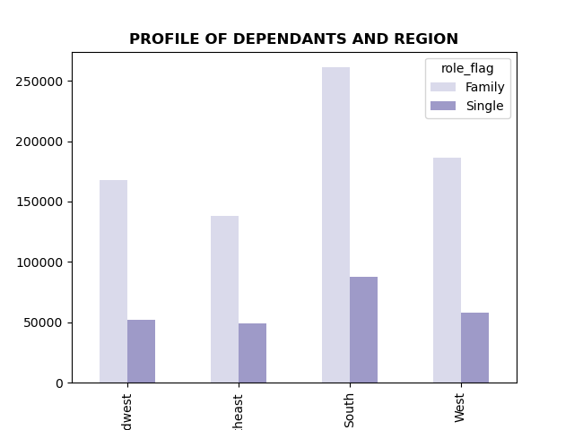
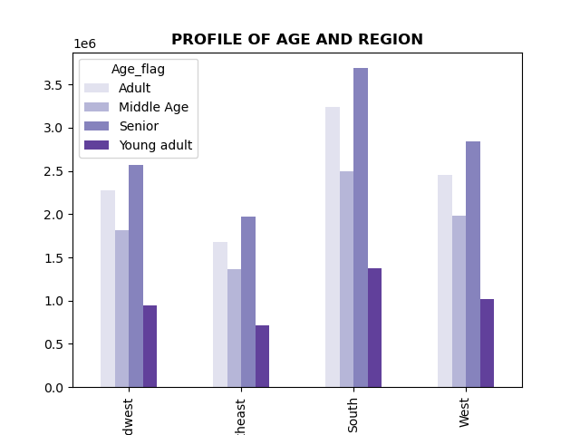
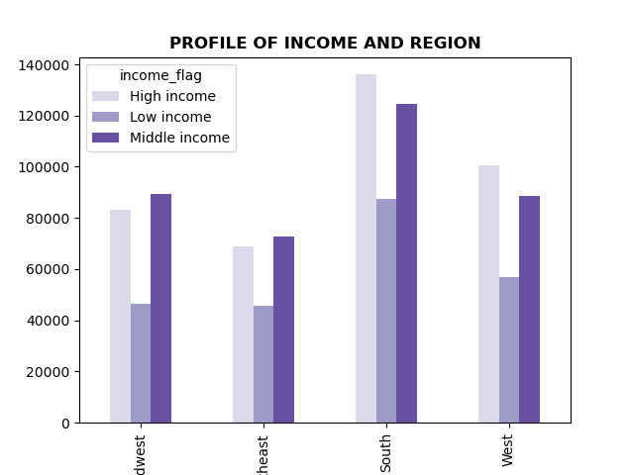
 |  |  |  | Title page

Visualisations

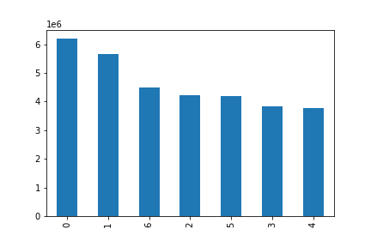
1. What are the busiest days of the week?

 | x-axis: day of the week |  | Saturday and Sunday are the busiest days of the week. Tuesday and Wednesday are the least busy days of the week.
 | 0 = Saturday
 | 1 = Sunday
 | 2 = Monday
 | 3 = Tuesday
 | 4 = Wednesday
 | 5 = Thursday
 | 6 = Friday

 | y-axis: number of orders

2. What are the busiest hours of the day?


 | x-axis: hour of the day

 | y-axis: number of orders |  | The busiest times of the day are from 9 a.m. to 4 p.m. The least crowded times of the day are between midnight and 6 a.m.

3. How does the distribution of brand loyalty among users look like?
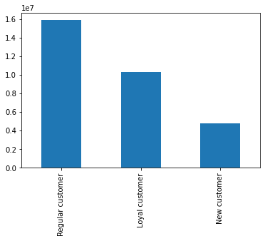

 |  | y-axis: number of orders

 |  |  | The majority of users (49%) are regular customers who have placed between 11-40 orders. Next are loyal customers (32%) who have placed more than 40 orders. Last are new customers (19%) who have placed 10 or fewer orders.

 |  |  | Customers can be grouped by their age, income, and role (based on number of dependants)
4. What different demographics does the demographic data imply?

 | Based on number of dependants

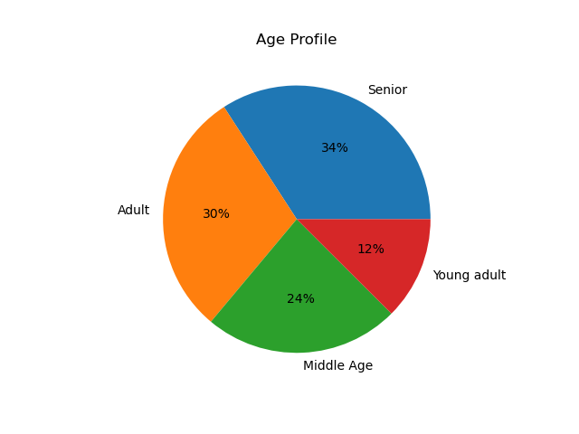
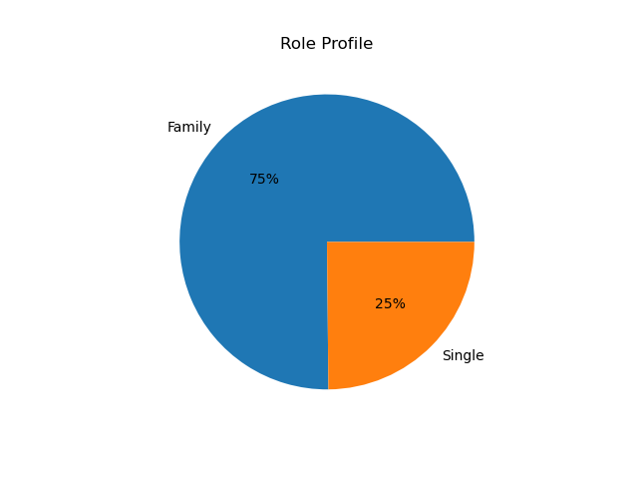
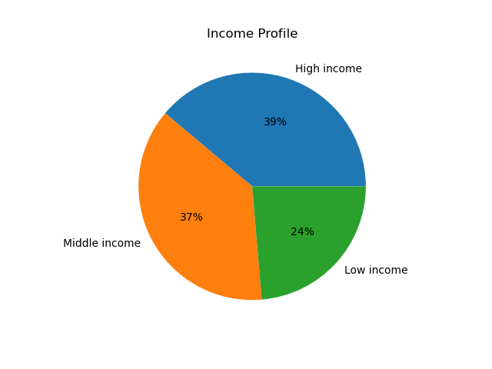

5. What differences do you notice in the ordering habits of various consumer profiles?

 | Departments

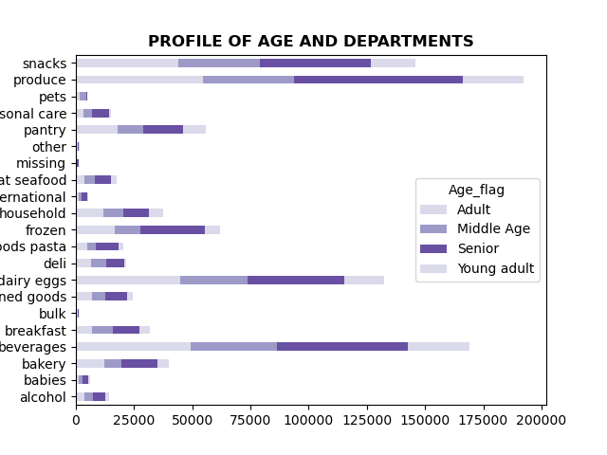
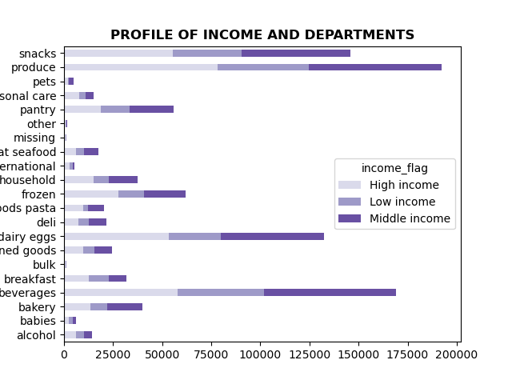
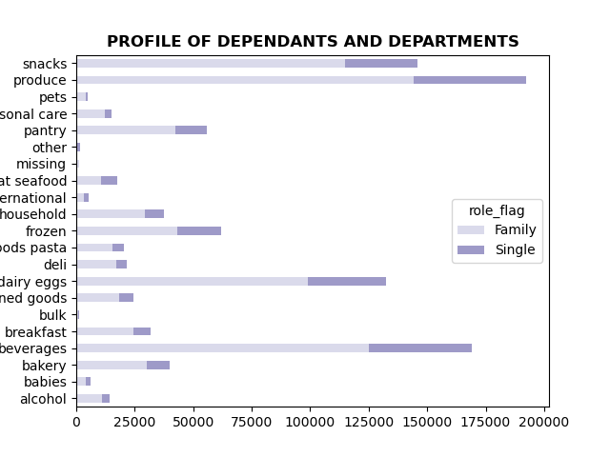

 | Region

7. Recommendations
Key questions and Recommendations

Question 1 : The sales team requires information on the most active days and hours to plan their advertising campaigns during periods of low order volume. They want to identify the busiest days of the week and the specific hours of the day when the highest number of orders occur.
Answer: The busiest hours are from 10 am - 3pm. The two busiest days are Saturday and Sunday.
Recommendation: I would recommend scheduling ads for before and after 10 am-3pm, Monday-Thursday.
Question 2 : The sales team is interested in determining if there are specific time periods during the day when customers tend to make higher-value purchases. This information would help them decide which products to advertise during those times.
Answer: The busiest hours of the day are between 9am to 4pm. The least busy hours of the day are between midnight to 6am.
Recommendation: Schedule ads during the least busy hours (midnight to 6am) but keep in mind the majority of people are probably sleeping during that time, so it might be more effective to schedule ads during non-peak hours between 7-8am and after 4pm.
Question 3: Instacart has a lot of products with different price tags. Marketing and sales want to use simpler price range groupings to help direct their efforts.
Answer: High-range products are greater than $ 15. Mid-range products are between $ 15-$ 5. Low-range products are below $ 5.
Recommendation: Because high-range products are only 1 % per cent of products, devise a coupon to incentivise purchases of high-range products.
Question 4: The marketing and sales teams are seeking to identify product preferences among customers. They are specifically interested in determining which departments receive the most frequent orders, indicating the popularity of certain types of products over others.
Answer: The largest departments are produce, dairy/eggs, and snacks.
Recommendation: Generate discount vouchers specifically for the departments that have lower levels of popularity, such as pets, alcohol, and international.
Question 5: How do Instacart users distribute in terms of their loyalty to the brand, specifically referring to the frequency of their return visits?
Answer: The majority of users (49%) are regular customers who have placed between 11-40 orders. Next are loyal customers (32%) who have placed more than 40 orders. Last are new customers (19%) who have placed 10 or fewer orders.
Recommendation: Establish a loyalty rewards initiative that takes into account the frequency of past orders. Utilize the patterns observed from loyal customers who consistently place orders within a 7-day timeframe as a blueprint for converting regular customers into loyal ones.
Question 6: Does customer loyalty status and region influence variations in ordering behaviors?
Answer: Loyal customers consistently place orders within a 7-day interval. In terms of regional patterns, the South exhibits the highest order volume, while the Northeast has the lowest.
Recommendation: To increase sales in the Northeast, develop a rewards program specifically tailored for that region. Conduct further exploratory research to investigate the reasons behind its comparatively lower popularity in the Northeast.
Question 7: What are the various demographic classifications that can be inferred from the provided information? Specifically, what insights can be gained regarding age, income, and family status?
Answer: The predominant customer profile consists of middle-aged individuals with moderate to high-income levels. These customers frequently purchase produce, dairy/eggs, and snacks. Moreover, they are more likely to be part of a family rather than being single.

